DEFECTS
ID | Date Reported | Interface | Scenario Type | Bug Type | Status | Window Column(s) | Summary | NG Display/Scenario | Testing Comments | Date Retest | Retest Pass/Fail | BSA Comments | Dev Comments
1 | 2025-10-23 | Both | Functionality | Major | Resolved | Window | Loading time | Takes ~8 seconds to load; time is the same between 1st row menu icon and menu path (Main > Tables > Codes) | Current window is immediate in both paths | 2025-11-24 | Pass | 10/31: devs to work on per 10/29 meeting 11/17: 5-6 second load time in CRMQ 11/24: 3-4 seconds load time - Pass | 10/29: Leave as-is, latency issue 11/3: Initial load ~4sec, after caching it is ~2sec
8 | 2025-10-23 | Both | Functionality | Major | Resolved | Window | Latency in Loading | 1. User enteres DKTDEF in Table Code 2. Search or Enter is used 3. Table Code loads immediately (1 row), corresponding codes take about 10 seconds to load | Need decision on pages | 2025-11-17 | Pass | 10/31: to be included in next deployment
10 | 2025-10-23 | Both | Functionality | Major | Resolved | Search Critera | Enter both criteria message | Yellow warning message appears and message slightly varies from existing one; disappears on own rather than user acknowledging message | Need consistency on color/appearance | 2025-11-17 | Pass | 10/31: acknowledgments to be applied across all pop ups | 10/30: Intentional 11/3: No more toast messages
13 | 2025-10-23 | Both | Functionality | Major | Resolved | Clear button | Latency issue | Takes about ~5 seconds to clear | Current window is immediate 11/17: 1-3 second load time in CRMQ | 2025-11-24 | Pass | 10/31: devs to work on per 10/29 meeting 11/24: ok as is | 10/29: Leave as-is, latency issue 11/3: Locally very quick
14 | 2025-10-24 | Both | UI | Major | Resolved | Codes, Categories | Tabs Display | Display as blue boxes with white border and blue line at bottom of box to indicate selected tab | Current window has gray tabs and text changes to blue/bolded when selected | 2025-11-17 | Pass | 10/31: BSA to retest in next QA cycle | 10/29: Fixed, button fits more closely with Vision but still has underline, might be how SF tabs are by default
19 | 2025-10-24 | Both | UI | Major | Resolved | Codes - Cat. Column | Category icon | Clipboard icon | Current window uses green icon; need discusson on icons (keep existing) 11/17: Uses icon that is similar but not the same as existing | 2025-11-17 | Pass | 10/31: devs to fix to use exisiting icons 11/24: ok as is | 10/29: Intentional, no icons 11/3: Using SF icon, open to change
23 | 2025-10-24 | Both | UI | Major | Resolved | Categories | Code/Description Alignment | Missing space between Code and Description | Space is needed as current view is difficult to read 11/17: Code Description spacing is close together in Categories tab. Will discuss what a correct spacing looks like with Chris. The space is small in the existing window | 2025-11-17 | Pass | 10/31: BSA to retest in next QA cycle 11/24: ok as is | 10/29: Fixed 11/19: Wait to discuss
24 | 2025-10-24 | Both | Functionality | Major | Resolved | Categories | Code/Description descending filter | Filter should be by code, not description; if clicked multiple times sorts in different orders |  | 2025-12-05 | Pass | 10/31: BSA to retest in next QA cycle 11/17: Worked when tested before 10:30am 11/17, but failed after 11:05am 11/17. Not sure if something was changed while testing. 11/24: BSA retest | 10/30: Fixed 11/19: Fixed, changed column field
26 | 2025-10-24 | Both | Functionality | Major | Resolved | Window | Delete key on keyboard | 1. Select Row 2. Use Delete key on keyboard 3. Close window - window does not prompt pending changes | Current window does not allow delete with keyboard so issue does not exist | 2025-11-17 | Pass | 10/31: BSA to retest in next QA cycle
27 | 2025-10-24 | Both | Functionality | Major | Resolved | Window | Highlighting row | Window flips to category tab | Hit/miss on replicating issue | 2025-11-17 | Pass | 10/31: devs to review | 10/30: Unable to replicate 11/3: Turned off tab swiping
28 | 2025-10-24 | Both | Functionality | Major | Resolved | Window | Profile Access | All profiles can edit window | Users in PROFIL/CODE_ENTRY should only be able to add/edit/delete in window. All other profiles are read only | 2025-12-05 | Pass | 10/31: BSA to retest in next QA cycle 11/17: Able to enter edit mode, but cannot leave edit mode in IMPACT profile. 11/24: BSA retest | 10/29: Fixed 11/20: Fixed
29 | 2025-10-24 | Both | Functionality | Major | Resolved | Window | Vision level "X" Close Button | When used, only closes Blazor window rather than entire application |  | 2025-11-17 | Pass | 10/31: BSA to retest in next QA cycle | 10/30: PB issue, Jorge addressing
30 | 2025-10-24 | Both | Functionality | Major | Resolved | Window | Keyboard shortcut does not work | No longer have ablility to refresh data as F3 doesn't work | 11/17: F3 is the shortkey for the search filter and the refresh. Do we want to keep this? | 2025-12-05 | Pass | 10/31: devs to add 11/24: F3 shortcut works Devs to remove F3 window shortkey default. | 10/30: Intentional, Code Entry does not have a refresh feature, also I can't tell if F3 does anything? 11/3: F3 refresh added 11/25: Disabled F3 default functionality
31 | 2025-10-24 | Both | Functionality | Major | Resolved | Window | Save button (second row) disabled | Save button disabled on initial load of window |  | 2025-11-17 | Pass | 10/31: only enable when change is detected 11/17: switched to no action | 10/30: Intentional
32 | 2025-10-24 | Both | Functionality | Major | No Action | Window | Invalid Date | When typing letters in field, various numbers appear - should only be number values |  |  | Pass with Comments | 10/31: leave as-is | 10/29: Intentional, SF DatePicker allows user to type in name of a month alphabetically, it's not random
2 | 2025-10-23 | Both | UI | Minor | Resolved | Window | Selected Table Code in window title | Does not display | Current window displays as table code is selected; ok with not having code there (adding this as item for discussion) | 2025-11-17 | Pass | 10/31: devs to update | 10/29: Works in normal web browser, may require more PB work
3 | 2025-10-23 | Both | UI | Minor | Resolved | Header | Green Icon Missing | No icon in header | Current window displays green paper icon displays 11/17: Uses icon that is similar but not the same as existing | 2025-11-17 | Pass with Comments | 10/31: add green icon, as we are using same theme across windows | 10/29: Intentional, no icons 11/3: Using SF icon, open to change
4 | 2025-10-23 | Both | UI | Minor | Resolved | Window | Background color | Gradient blue to white | White | 2025-11-17 | Pass | 10/31: devs to fix | 10/29: Fixed, we will follow a standard format for all windows
5 | 2025-10-23 | Both | UI | Minor | Resolved | Search Criteria | Label Formats | "Filter by:," "Table Code," "OR," and "Description" are not bolded | Fields are bolded | 2025-11-17 | Pass | 10/31: devs to fix | 10/29: Fixed
6 | 2025-10-23 | Both | UI | Minor | Resolved | Search Criteria | Inconsistent capitalization of search fields | Mxed formatting of upper/lower case: Table Code: ENTER TABLE CODE Description: Enter description | Modify to use proper capitalization: Enter Table Code Enter Description | 2025-11-17 | Pass | 10/31: remove placeholders | 10/29: Fixed, removed entirely to match Vision
7 | 2025-10-23 | Both | Functionality | Minor | No Action | Search Criteria | Table Code - Character Limit | Search field fixed to only limit 6 characters but database allows for 38 - shouldn't character limit match database? | Adding for discussion as I'm not sure if there is a reason we have a 6-character limit in place |  | Pass with Comments | 10/31: leave as-is; front-end character limits will be window by window | 10/29: Intentional, Court.CODE_MSTR only allows 6 varchars, anymore would give no results anyways
9 | 2025-10-23 | Both | Functionality | Minor | No Action | Window Highlights | Codes - First Row | First row Table Code is highlighted as expected; section below Code first row is not highlighted | Ok to leave as is; adding as discussion item |  | Pass with Comments | 10/31: leave as-is | 10/29: Leave as-is
11 | 2025-10-23 | Both | UI | Minor | No Action | Search button | Binocular Icon | Missing | Ok as is but need to consider display of icons in future windows |  | Pass with Comments | 10/31: leave as-is | 10/29: Intentional, no icon for search button
12 | 2025-10-23 | Both | UI | Minor | Resolved | Clear button | Color difference | Gray; original is orange | Ok as is but need to determine consitency of windows | 2025-11-17 | Pass | 10/31: Clear to be formatted as "Normal" | 10/30: Intentional, please let me know if you want this changed
15 | 2025-10-24 | Both | UI | Minor | No Action | Codes | Slight overlap of text | "Type" - first two letters appear to overlap |  |  | Pass with Comments | 10/31: leave as-is | 10/30: Intentional
16 | 2025-10-24 | Both | UI | Minor | Resolved | Codes, Categories | Invalid Date | Remove "Date" from header to be consistent throughout window |  | 2025-11-17 | Pass | 10/31: BSA to retest in next QA cycle | 10/29: Fixed
17 | 2025-10-24 | Both | UI | Minor | Resolved | Codes, Categories | Text justification | Left justified for Type (Codes), Invalid Date, Cat., | Current window is center justified 11/17: When column headers are center justified and sortable, the filter icon affects This causes the header icons to be offset from centered cell values. Is it possible for the filter icon to be excluded from the alignment width? | 2025-11-17 | Pass with Comments | 10/31: BSA to retest in next QA cycle 11/24: leave as-is | 10/29: Fixed
18 | 2025-10-24 | Both | UI | Minor | Resolved | Codes, Categories | Missing column borders | All column borders are missing in tab | Should display column borders 11/17: Column headers are missing borders. Categories tab Code and Description cells are missing column border, but this is expected | 2025-12-05 | Pass | 10/31: BSA to retest in next QA cycle 11/24: BSA retest | 10/30: Fixed 11/19: Fixed, added to headers too
20 | 2025-10-24 | Both | Functionality | Minor | Resolved | Codes - Cat. Column | Tooltip Formatting | Assigned Categories is same size as list below; is there a way to make it match existing window so it stands out | Current window has Assigned Categories in larger blue font 11/17: Is it possible to increase the font size of assigned categories? Old window is easier to read than blazor. 11/24: Lowercase "c" in Assigned categories | 2025-12-05 | Pass | 11/24: BSA retest | 11/5: Using unicode to differentiate Assigned Categories 11/25: Fixed, added header styling and adjusted spelling
21 | 2025-10-24 | Both | Functionality | Minor | Resolved | Window | Cursor changes when hover over fields | Cursor changes when hovering over text | Current window does not change cursor | 2025-12-05 | Pass | 10/31: BSA to retest in next QA cycle 11/17: Defect remains 11/24: BSA retest. cursor change will remain in edit mode | 11/24: Fixed
22 | 2025-10-24 | Both | UI | Minor | No Action | Window | Date Format | MM/DD/YYYY | Current window is MM/DD/YY |  | Pass with Comments | 10/31: keep as 4-digit | 10/30: Intentional
25 | 2025-10-24 | Both | Functionality | Minor | No Action | Window | Modified fields | Modified fields in green; bail schedule used orange | Need consistency on color/appearance |  | Pass with Comments | 10/31: tied with fluent validations | 10/30: Fixed, follows standard format
33 | 2025-11-17 | Both | UI | Major | Resolved | Search Criteria | Typing fast | If you type decently fast, the characters will not save | Characters should save for various typing speeds | 2025-12-05 | Pass |  | 11/19: Fixed
34 | 2025-11-17 | Both | UI | Minor | Resolved | Category Icon | Tooltip Time to Appear | Tooltip takes 1-2 seconds to appear. | Current window appears a moment after hovering. Should tooltip time to appear be standardized across windows? | 2025-12-05 | Pass | 11/24: BSA retest. should match across windows | 11/19: Follows SyncFusion tooltip default
35 | 2025-11-17 | Both | Functionality | Minor | Resolved | Ctrl S | Ctrl S | Ctrl S does not save pending changes |  | 2025-12-08 | Pass with Comments | 11/24: BSA retest. should match across windows 12/8: Pass, but defects 50/51 occured as a result. | 11/19: Fixed, added
36 | 2025-11-17 | Both | Functionality | Minor | Resolved | No Results | category displays when no results are found | 1. Search for a table code that does not yield search results, such as "DTDEF" 2. CAT category displays in the category table codes. This category is in the "AAAAAA" table and should not display if no records are found. |  | 2025-12-05 | Pass | 11/24: BSA retest. should match across windows | 11/19: Fixed
37 | 2025-11-17 | Both | Functionality | Minor | No Action | Code Edits | Deleting a code with associations | 1. Create code 2. Add new code to a category 3. Delete code from codes tab - error message appears stating "Entry has associations, unable to delete." 4. To exit edit view, you have to right click row and select cancel to address. Other edits allow you to click out of the field. Should this option be added or does fluid validation require you to address the errored field |  |  | Pass with Comments | Have to exit edit mode before attempting to delete | 11/19: Wait to discuss 11/20: Keep the same, this is how Fluent Validation works
38 | 2025-11-17 | Both | Functionality | Minor | Resolved | Search criteria | Second search | 1. Search for table code "DKTDEF" 2. select categories tab 3. select Codes tab 4. type "testtest" in description search field, which will yield no results 5. delete "DKTDEF" from table code search field 6. select Search - "No records to display" message appears as expected 7. select Categories tab - previous search result appears in the category code and description section | This defect might be the same issue as Defect 36. Previous search results remain in the Categories tab category code and description section for both scenarios if the second search has no results found. | 2025-12-05 | Pass |  | 11/19: Fixed, same deffect as #36
39 | 2025-11-17 | Both | Functionality | Minor | Resolved | Search Criteria | Second search | 1. Search for table code "DKTDEF" 2. select categories tab 3. select Codes tab 4. type "test" in description search field, which will yield results 5. delete "DKTDEF" from table code search field 6. select Search - "No records to display" message appears in error. The description search result "test" should yield results. | Description search works if the clear button is used between searches. If the clear button is not used, the search seems to apply on the previous filter rather than the database. If I use "DKTDEF" then "list" second, results appear since "list" is in the DKTDEF table description | 2025-12-05 | Pass |  | 11/19: Fixed
40 | 2025-11-17 | Web Only | UI | Minor | No Action | Buttons | Erraneous buttons in Web Version | Additional buttons File, |  |  | Pass with Comments | 11/24: leave as-is. options will match what exists in Vision | 11/19: Ask Jorge, this comes from base window 11/20: Ignore
41 | 2025-11-17 | Both | UI | Major | Resolved | Ctrl F search | Ctrl F Search | On windows that load some but not all data on the initial load, the Ctrl F search does not work. The search works if the data was loaded at some point. |  | 2025-12-05 | Pass | 11/24: ctrl shift f will search everything in the result set. Devs to disable ctrl f | 11/19: Ask Jorge, this is likely from virtualization 11/20: Implemented prototype 11/25: Fixed, disabled CTRL + F
42 | 2025-11-17 | Both | UI | Major | No Action | Scrolling | Scroll lag | A noticeable 1 second lag occurs when scrolling more than eight rows or when moving the scroll bar. |  |  | Pass with Comments | 11/24: delay will still exist. scroll wheel will remain until new result appears 12/5: Defect is longer applicable. using paging on windows now | 11/19: Ask Jorge, this is likely from virtualization 11/20: This is just how virtualization is
43 | 2025-11-17 | Both | UI | Major | Resolved | Column Filters | Filter height | The filter panel is taller than the window, so options at the bottom are not visible and cannot be scrolled into view. |  | 2025-12-05 | Pass |  | 11/19: Fixed
44 | 2025-11-18 | Both | UI | Minor | Resolved | Catgories Tab | Adding Category | Adding a new category sometimes but not always cuts off the newly added row from view. When this occurs, you cannot scroll to view the newly added row. This issue does not occur in Codes tab. |  | 2025-12-05 | Pass | 11/24: rows will be added on top. not an issue | 11/20: Struggling to replicate, trying to twist window size but unable to get this issue to appear
45 | 2025-11-18 | Both | UI | Minor | Resolved | Right Click |  | 1. Select an existing row 2. Add a new row 3. Add values for a new row 4. Select enter, Select outside of new row to store pending changes, or right click and select update row. The recently updated row will stay highlighted 5. Right click anywhere in the section - the previously selected row highlights rather than the last updated/ highlighted row. |  | 2025-12-05 | Pass | 11/24: BSA retest | 11/19: Known SyncFusion issue not being able to select newly added row 11/20: Switching to adding to top, resolves issue
46 | 2025-11-18 | Both | Functionality | Minor | Resolved | Keyboard Shortcut | Shift + F6, Shift + F7 | Shortkeys Shift +F6 to add row and Shift + F7 to delete row do not work | Error Codes table has this functionality. Is this being applied to all windows? Or should this be removed from Error Codes? | 2025-12-05 | Pass | 11/24: keep vision functionality. Devs to disable browser shortkeys. Devs cannot disable grid shortkeys | 11/19: Fixed
47 | 2025-12-05 | Both | UI | Minor | Resolved | Ctrl + Shift + F | Typing or deleting in search bar | Typing or deleting text in the Ctrl + Shift + F search area causes the cursor to move back a space sporadically | Issue occurs in all windows | 2025-12-22 | Pass | 12/22: Fix Jorge/ Santiago showed BSAs worked during demo, but changes are not present in Q. 12/24: Leave as is | 12/16: Locally seems fine
48 | 2025-12-05 | Both | UI | Minor | No Action | Paging UI | Paging UI | There are large height margins on the paging selections. | Decrease the height margins above and below the paging section |  |  | 12/15: leave as is,
49 | 2025-12-05 | Both | UI | Minor | Resolved | Categories and Codes tabs | Number of Rows | With the paging feature added, there is less space available to view the codes in the bottom sections. We would like to view 4 rows only in the top sections of Codes and Categories tabs.The remaining space should add more rows in the bottom sections of both tabs. | Most users who use the window know which table code or category they will be using, but they will be searching through the codes. | 2025-12-22 | Pass | 12/15: devs to remove rows from top sections and add rows to bottom for both tabs | 12/16: Fixed
50 | 2025-12-08 | Web Only | UI | Major | No Action | Ctrl + S | Save As File popup appears | When saving pending changes, or attempting to save no pending changes using Ctrl + S, Windows "Save As" window appears. Issue occurs often when modifying code entries under the categories tab. This may be related to child records based on where the error occurs. | Browser shortcut for Ctrl + S should be disabled |  |  | 12/15: leave as is for now | 1/8: Fixed
51 | 2025-12-08 | PB Only | UI | Minor | No Action | Ctrl + S | Save sometimes works when adding new code to a category or modifying existing code from a category | 1. Add or modify row 2. Exit edit mode, with either enter or right click and select Update Row 3. Type Ctrl - S - save sometimes but not always works 4. Click a separate category or tab, return to the row I edited/ added, save changes with Ctrl + S - save works | Issue may be related to defect 50 |  |  | 12/15: leave as is for now
52 | 2025-12-08 | Both | UI | Minor | No Action | Switching Tabs - Categories to Codes | Switching tabs causes top row data to appear before last selected row | 1. Type "TEST" in table code area and search 2. Select "TEST2" table code 3. Switch to Categories Tab 4. Select Codes Tab - expected result is "TEST2" appears first since this was the last selected table code. Currently the top row data loads, then the last selected table code data loads. |  |  | Pass with Comments | 12/15: let them know but leave as is
53 | 2025-12-08 | Both | UI | Minor | No Action | Switching Tabs - Codes to Categories | Switching tabs causes top row data to appear instead of last selected row | "1. Type ""TEST"" in table code area and search 2. Select ""TEST2"" table code 3. Switch to Categories Tab 4. Select second row "TEST3" 5. Select Codes Tab 6. Select Categories Tab - expected result is last selected category is highlighted. Currently top row data will flash then load. |  |  | Pass with Comments | 12/15: let them know but leave as is
55 | 2025-12-09 | Both | UI | Minor | Resolved | F3 Refresh | F3 Refresh with search result | 1. Type "TEST" in table code area and search - can also use description search 2. Type F3 - Results refresh and previous search filter remains, but Table Code search field clears. User must select clear to clear the filter |  | 2025-12-22 | Pass | 12/15: refresh should clear the filters | 12/15: Fixed
55 | 2025-12-10 | Both | Functionality | Minor | Resolved | F3 Refresh | F3 Refresh does not check for pending changes | 1. Add or modify row 2. Exit edit mode 3. F3 refresh - no validation messages |  | 2025-12-22 | Pass | 12/15: should be addressed | 12/16: Fixed
56 | 2025-12-09 | Both | UI | Minor | Resolved | Page Up/ Page Down | Page Increment | Page Up and Page Down buttons scroll 2 pages at a time |  | 2025-12-22 | Pass | 12/15: should be addressed | 12/15: Fixed
57 | 2025-12-09 | Both | UI | Minor | No Action | Up/ Down Arrows | Switching Pages | Unable to switch pages with arrow keys | Ok to keep as is since users can select the page icons |  | Pass with Comments | 12/15: leave as is
58 | 2025-12-10 | Both | UI | Minor | No Action | Editted Rows | Editted Rows remain highlighted | 1. Open edit mode in existing row 2. Change one cell 3. Exit edit mode - editted row highlights grey with black font if you select another row 4. Open edit mode for the same row 5. Revert changes for existing cell 6. Exit edit mode - editted row highlights grey with black font if you select another row 7. Save changes - receive no pending changes message. If you select another row, grey highlight remains even though no changes were made | Ok to keep as is |  | Pass with Comments | 12/15: leave as is
59 | 2025-12-10 | Both | Functionality | Major | Resolved | Category Codes | Subsequent Updates | 1. Select category tab 2. Select category 3. Select bottom codes area 4. Shift F6 to add new row, or right click add row 5. Select code dropdown 6. Type enter to exit edit mode 7. Shift F6, or right click add row - new row is not added. You need to click anywhere on the blazor window, then type shift F6/ right click add row to add subsequent entries. | This behavior does not occur in the other 3 sections of Code Entries. This behavior also does not occur in Event Codes - ROC Codes section, which is also a child record. The issue may be related to this section being a view rather than a table. It also may be related to selecting subsequent dropdowns for the same view/ table that are not within a row. We are not aware of other Vision windows that may do this. | 2025-12-22 | Pass with Comments | 12/15: should be addressed 12/22: See Defect 65. | 12/15: Fixed
60 | 2025-12-10 | Both | UI | Minor | No Action | All Columns | Column Alignment in "edit" mode (non-4k monitor) | When in edit mode, columns should align with exisitng data; NG window shifts cells slightly to the left misaligning them from column header (e.g., Error Message and Error Type) | Should be in aligmnent with header; noticed issue seems to not exist when using larger monitor although it does creat alignment issues when moving between small/large monitors |  | Pass with Comments | 12/15: leave as is.
61 | 2025-12-10 | Both | Functionality | Minor | Resolved | General | Concurrent Updates | 1. Create new table code 2. Make the same modification in web and PB version. 3. First modification will save, second modification |  | 2025-12-24 | Pass with Comments | 12/15: should be addressed 12/24: See defect 70, Testing Comments in defect 70, and defect 71. | 12/15: Added concurrency checks for Code and Category tables. Master table is technical debt. Assoc table doesn't need?
62 | 2025-12-10 | Web Only | UI | Minor | Resolved | Window Tab | Tab label updates after Code Entries searches | After selecting Code Entries window and searching, the browser level tab will update to the latest search. If you switch to another Vision window, the Code Entries brower tab label remains |  | 2025-12-22 | Pass | 12/15: devs to remove | 12/15: Fixed
63 | 2025-12-15 | Both | UI | Minor | Resolved | Edit Mode |  |  |  | 2025-12-22 | Pass | 12/15: Update Row option to be removed from edit row dropdown. Functionality will remain | 12/15: Fixed | Note: Now I am clearing the cache and then loading data after save to fit our pattern. Before I was returning data directly from the DB on the way back from saving to be quicker, but that was too complicated. This way is 3-4 seconds slower.
64 | 2025-12-15 | Both | UI | Minor | Resolved | Window Column(s) |  | Cursor default location should match vision | "Table Code" should be the default cursor location for Code Entries | 2025-12-22 | Pass | 12/15: devs to fix | 12/15: Fixed | Note: Had to turn virtualization off on all grids. This makes grids with a lot of entries slow, but no choice for now since virtualization has a bug. We have a ticket in to resolve it.
65 | 2025-12-22 | Both | Functionality | Regression | Resolved | Category Codes | Subsequent Updates | Related to Defect 59, Subsequent updates now work if you use tab key to exit edit mode. If you click the dropdown option, Enter and tab key work. 1. Select category tab 2. Select category 3. Select bottom codes area 4. Shift F6 to add new row, or right click add row 5. Type dropdown option 6. Type enter to exit edit mode - row remains in edit mode. Tab or clicking away allows you to exit edit mode |  | 2025-12-24 | Pass with Comments | 12/24: Leave as is for now. Look into later. Enter will not exit edit mode if the last modified cell was a dropdown
66 | 2025-12-22 | Both | Functionality |  | No Action | Updates in Old Table | 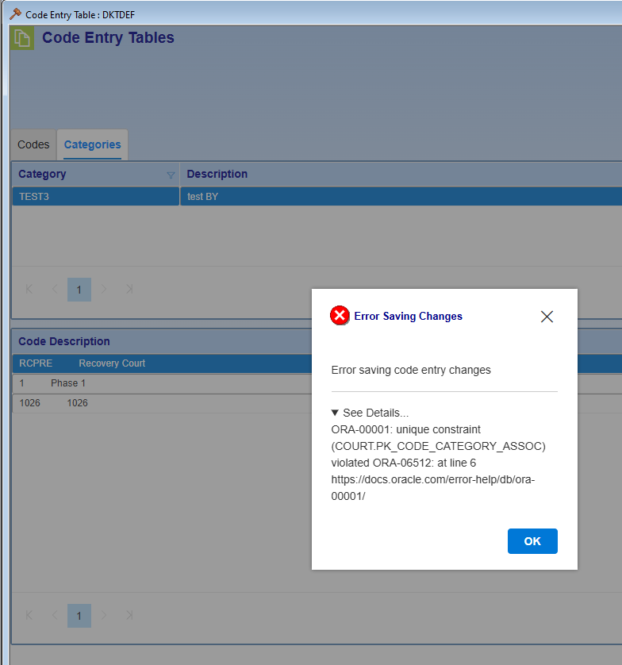 Updates in old table do not always reflect in the new table | May be related to defect 61. Updates in old window do not reflect in front end of new window. If you save changes to database, they sometimes will not appear after a refresh on the front end. | 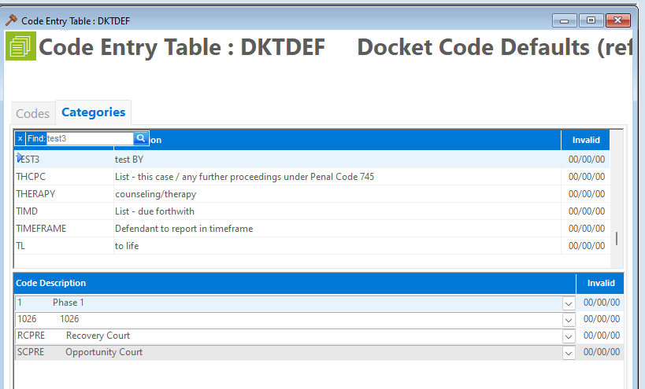 |  |  | 12/22: Leave as is | 12/23: This is because in the new window, we are using caching. When you save in the new window, you clear the cache after, but in the old window you are not clearing cache, so the new window will not reflect those changes.
67 | 2025-12-22 | Both | UI | Minor | Resolved | F3 Refresh | Column filters remain after F3 refresh | 1. apply column filter 2. F3 refresh 3. Go to filtered column in another table code besides the default -column filter remains |  | 2026-01-14 | Pass |  | 1/7: Fixed
68 | 2025-12-22 | Both | Functionality | Minor | Resolved | Ctrl + S | Ctrl + S | 1. Select category tab 2. Select category 3. Select bottom codes area 4. Delete all rows in a category using Shift F7 5. Ctrl + S - save does not work. Save will work if you click the area, then use Ctrl + S | Unable to recreate in Codes tab Table Code section. Error occurs in all other areas. Defect may be related to defect 59 and 69. | 2026-01-14 | Pass with Comments | 12/23 relates to F3 refresh on other windows 1/14: See ID 85 | 1/7: Fixed
69 | 2025-12-22 | Both | Functionality | Minor | No Action | Shift + F7 | Delete throws unexpected error message, repeated action will work | 1. Select category tab for table code with one category 2. Click category 3. Delete category with F7 - receive 'No records selected to complete action' message. clicking a highlighted row will deselect the row 4. Click category 5. Delete category - category deletes | Expect the delete to work on the first attempt. This issue occurs because if you switch tabs and the row is highlighted by default, then you click the row, the click removes the highlighted selection. After BSA discussion, we would like the click to only select a row rather than deselect a row for this window. | 2025-12-24 | Pass with Comments | 12/23 clicking a row should never remove the selection 12/24: Leave as is for now, decide standard accross windows later | 12/23: Ask BSAs, when you change tabs the first row is autoselected. Clicking again is actually deselecting
70 | 2025-12-22 | Both | Functionality | Major | Resolved | Update code with Category | Updating a code with a category associated throws error message | Modifying a code with a category associated throws the following error message on save: The database operation was expected to affect 1 row(s), but actually affected 0 row(s); data may have been modified or deleted since entities were loaded. See https://go.microsoft.com/fwlink/?LinkId=527962 for information on understanding and handling optimistic concurrency exceptions. | Error also occurs if you delete code from associated category, then attempt to delete the code. Error persists if you refresh the window or close and reopen the window. | 2026-01-14 | Pass |  | 12/23: Fixed This was a bug, but FYI if you try to edit the same entry in two windows and save, the window that was second to save should get this error message letting the user know the entry was changed since they loaded it.
71 | 2025-12-23 | Both | Functionality | Major | Resolved | Second update on the same row | Second update throws error message | 1. Add new code 2. Save 3. Modify the newly added code 4. Save - receive error message: The database operation was expected to affect 1 row(s), but actually affected 0 row(s); data may have been modified or deleted since entities were loaded. See https://go.microsoft.com/fwlink/?LinkId=527962 for information on understanding and handling optimistic concurrency exceptions. |  | 2026-01-14 | Pass |  | 1/7: Fixed
72 | 2025-12-24 | Both | Functionality | Major | Resolved | F3 Refresh | Click before F3 Refresh | Must click window before F3 refresh in some instances | Error occurs in multiple windows | 2026-01-14 | Pass with Comments | 1/14: See ID 85 | 1/7: Fixed
73 | 2025-12-24 | Both | Functionality |  | No Action | Filter |  | Not a defect. Included for awareness on future windows 1. Apply column filter with partial search, like 'VNG' category filter in PROFIL code entries table 2. Add new row that starts with 'VNG' and exit edit mode - new row will not appear | Syncfusion will not address this issue. Syncfusion suggested to use "Starts With" filter search type rather than the default "Equals" to prevent this issue |  |  |  | 1/6: Non-issue
74 | 2025-12-29 | Both | UI | Minor | Resolved | Table Code | Table Code text is not bolded |  | Table Code should be bold | 2026-01-14 | Pass |  | 1/6: Fixed
75 | 2026-01-14 | Both | UI | Regression | Resolved | Window Column(s) |  | Cursor default location should match vision | "Table Code" should be the default cursor location for Code Entries | 2026-01-28 | Pass | 1/14: This is a repeat of defect ID 65. This passed testing 12/22 and the issue returned 1/23: Defect still occurs | 1/20: Can't replicate issue, seems already there?
76 | 2026-01-14 | Both | UI | Minor | No Action | Categories Tab | Tab through highlights the right most cell only | 1. Add new code description to a category in Categories Tab 2. Tab through to exit edit mode - Blue highlight appears on 'Invalid' column, but not the Code/ Description columns |  | 2026-01-23 | Pass with Comments | 1/28: Leave as is | 1/20: Diffucult to debug
77 | 2026-01-14 | Both | UI | Minor | No Action | Codes Tab - Top Section | Switching tabs sometimes highlights right most cell only | 1. Select table code that is not the top most row for the page 2. Switch to Categories tab 3. Switch to Codes tab - rightmost cell of selected row highlights |  | 2026-01-23 | Pass with Comments | 1/28: Leave as is | 1/20: Diffucult to debug
78 | 2026-01-14 | Both | UI | Minor | No Action | Codes Tab - Bottom Section | Deleting a row highlights the right most cell only | 1. Select table code on first open 2. Select Code that is not in a category, and is not the last row on the page 3. Delete code - right most cell of the row directly after the deleted row is highlighted |  | 2026-01-23 | Pass with Comments | 1/23: Defect still occurs. Updated step 2 description for clarity. 1/28: Leave as is | 1/20: Diffucult to debug
79 | 2026-01-14 | Both | UI | Regression | Resolved | Codes Tab - Bottom Section | Tab through does not exit edit mode | 1. Add new code to Codes tab bottom section 2. Add value to Code column 3. Add value to Description column 4. Tab through remaining cells to exit edit mode - row remains in edit mode. have to click or use enter key to exit edit mode | Error occurs in bottom section of Codes tab only | 2026-01-23 | Pass |  | 1/20: Fixed, this was caused by the uneditable icon tab
80 | 2026-01-14 | Both | UI | Major | Resolved | Window Column(s) | Error Message when switching tabs after save | 1. Add new code to Codes tab under existing Table Code and save 2. Go to Categories tab 2. Add the new code to existing category and save 4. Switch back to Codes tab - receive error message: 'Selection Error: An error occurred while selecting table code 'TEST'. See Details... Collection was modified; enumeration operation may not execute.' | Unable to recreate. The 'TEST' table code mentioned in the error message was the top table code in my search result, while I was making modifications to child records in 'TEST3' table code. The top row highlight may be causing issues here. | 2026-01-23 | Pass with Comments | Might be related to the rightmost cell highlight errors. I believe the right most cell highlight errors began after I received the initial message. 1/23/26: Codes tab now selects the previously selected row after you switch tabs. | 1/20: Unable to replicate
81 | 2026-01-14 | Both | UI | Regression | Resolved | Window | Bottom Border Cut Off | Bottom border of Code section does not appear when you initially open the window | Border does appear if you zoom out slightly | 2026-01-23 | Pass |  | 1/20: Fixed
82 | 2026-01-15 | Both | UI | Minor | Resolved | F3 Refresh | Standardized Message | Update refresh message to match standardized template |  | 2026-01-23 | Pass |  | 1/20: Fixed
83 | 2026-01-20 | Both | UI | Minor | Resolved | Ctrl + S | Standardized Message | Update save confirmation message to match standardized template |  | 2026-01-23 | Pass |  | 1/20: Fixed
84 | 2026-01-20 | Both | UI | Minor | Resolved | After Ctrl + S | Standardized Message | Update save success message to match standardized template |  | 2026-01-23 | Pass |  | 1/20: Fixed
85 | 2026-01-20 | Both | UI | Minor | Resolved | F3 Refresh and Ctrl + S | Click window before using short keys | F3 Ctrl + S when last row is removed - need to click window to use the short keys | Same defect in Event Codes window | 2026-01-23 | Pass |  | 1/20: Fixed
86 | 2026-01-23 | Both | UI | Regression | Resolved | Bottom Codes and Categories sections | Filter is cut off | Bottom part of column filter is cut off, and you are not able to scroll to bottom of filter to select ok. Workaround is to zoom out of window with Ctrl + Scroll | This defect seems related to 90 since bottom of datawindow is not the bottom of vision window | 2026-01-28 | Pass
87 | 2026-01-23 | Both | UI | Minor | Resolved |  |  | 1. Open Code Entries window 2. Select a separate application, like edge/ chrome/ excel etc. 3. Select Code Entries window - black border appears | 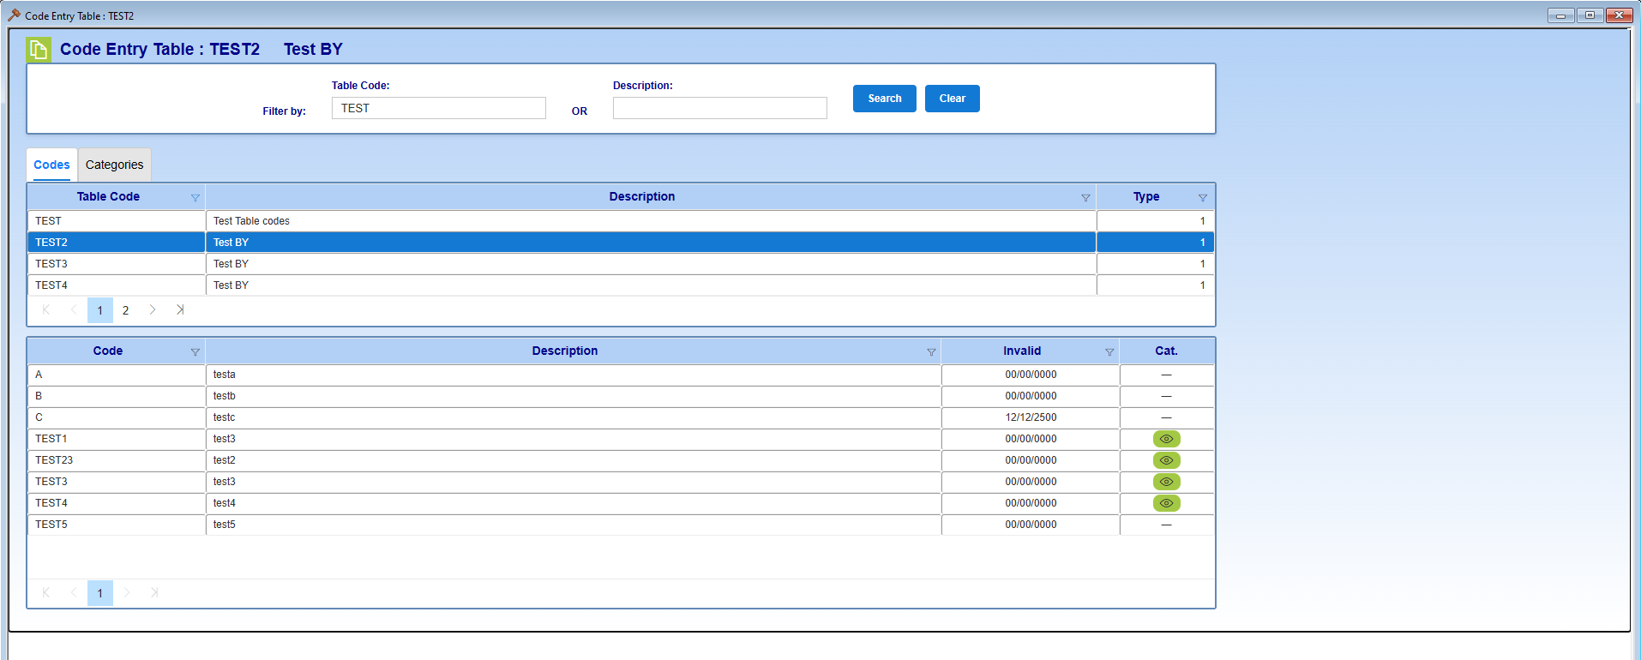 | 2026-01-28 | Pass with Comments | This fix created defect 91. Now resolved
88 | 2026-01-28 | Both | Functionality | Major | Resolved | Bottom Codes | Window Freezes | 1. On initial window open, click a row in bottom section of codes tab 2. Hover cursor over a separate row category icon, or a couple different category icons 3. Switch pages - endless loading wheel and page freezes, or there is no loading wheel and the page freezes. Able to exit by closing window | Occurs with and without a search filter applied | 2026-02-02 | Pass |  | 1/28: SyncFusion released update addressing tooltip memory leak 1/26
89 | 2026-01-28 | Both | Functionality | Major | Resolved | Categories Tab | Window Freezes | 1. On initial window open, select a table code that has categories for some of the code entries. 2. Hover cursor over category icon 3. Switch to Categories tab 4. Delete the row that had the category icon from the category - should test fix with icons in the same and separate category from the hover. 5. Click the category you deleted the entry from - endless loading wheel and page freezes. |  | 2026-02-02 | Pass |  | 1/28: SyncFusion released update addressing tooltip memory leak 1/26
90 | 2026-01-28 | Both | Functionality | Minor | Resolved | Clear Button | Clear Button does not remove column filters | 1. Enter table code or description 2. Select 'Search' 3. Select column filter for any area on both tabs 4. Select 'Clear' - search clears, but column filters remain |  | 2026-02-02 | Pass |  | 1/28: Clicking "Clear" or "Search" will clear sorting and filtering
91 | 2026-01-28 | Both | Functionality | Major | No Action | Subsequent Deletes | Able to delete all associated entries and save at the same time | 1. Add new table code, code entry, category, and code entry association. 2. Save changes 3. Delete code entry association, category, code entry, table code in that order. 4. Save changes - expect to receive error message for table code and category existing. Do not receive error message. | When I repeated the same behavior in PB window, none of the changes saved. | 2026-01-28 | Pass with Comments | Leave as is. This is an enhancement so the behavior differs from PB window.
92 | 2026-01-28 | Both | Functionality | Regression | Resolved | Window | Grey window when using other applications | 1. Open Code Entries winodw 2. Click outside of vision application to browser/ teams/ etc. - Code Entries appears grey until selected again |  | 2026-01-28 | Pass
93 | 2026-01-30 | Both | UI | Minor | No Action | Column Filter | Column Filter Red when in use | Enh: set the column filter to red when in use |  | 2026-01-30 | Pass
94 | 2026-01-30 | Both | UI | Minor | Resolved | Column Filter | Column Filter initial load on tab switch is not correct | 1. Apply filters to Description or Type column in Table Code 2. Switch to category tab - initial result without the new filter displays 3. Switch to codes tab 4. Switch to category tab - correct filter result displays |  | 2026-02-02 | Pass
95 | 2026-01-30 | Both | UI | Minor | Resolved | Column Filter | DateTime Filters sometimes show time stamp | DateTime filters show timestamp in 'Codes' bottom section and 'Categories' top section for the 'Invalid' column. |  | 2026-02-02 | Pass
96 | 2026-02-02 | Both | UI | Minor | No Action | Column Filter | Page selected when filter is removed | 1. Column filter is applied 2. Page besides 1 is selected 3. Column filter is removed - previously selected page remains selected | May want to redirect users to page 1 in future windows
97 | 2026-02-02 | Both | Functionality | Minor | No Action | Search Criteria | Search/ Clear button delays | Defect 94 fix causes slight delay in Search and Clear button loading
98 | 2026-02-02 | Both | UI | Minor | No Action | Date Fields | Date value corrections prevent short key usage | 1. Open edit mode 2. modify a date field to an invalid date, such as 1/1/2500 - date corrects to 12/31/99 as expected 3. use tab or enter to exit edit mode - row remains in edit mode
99 | 2026-02-19 | Both | UI | Major | New | Window | Styling does not appear on initial window loading | 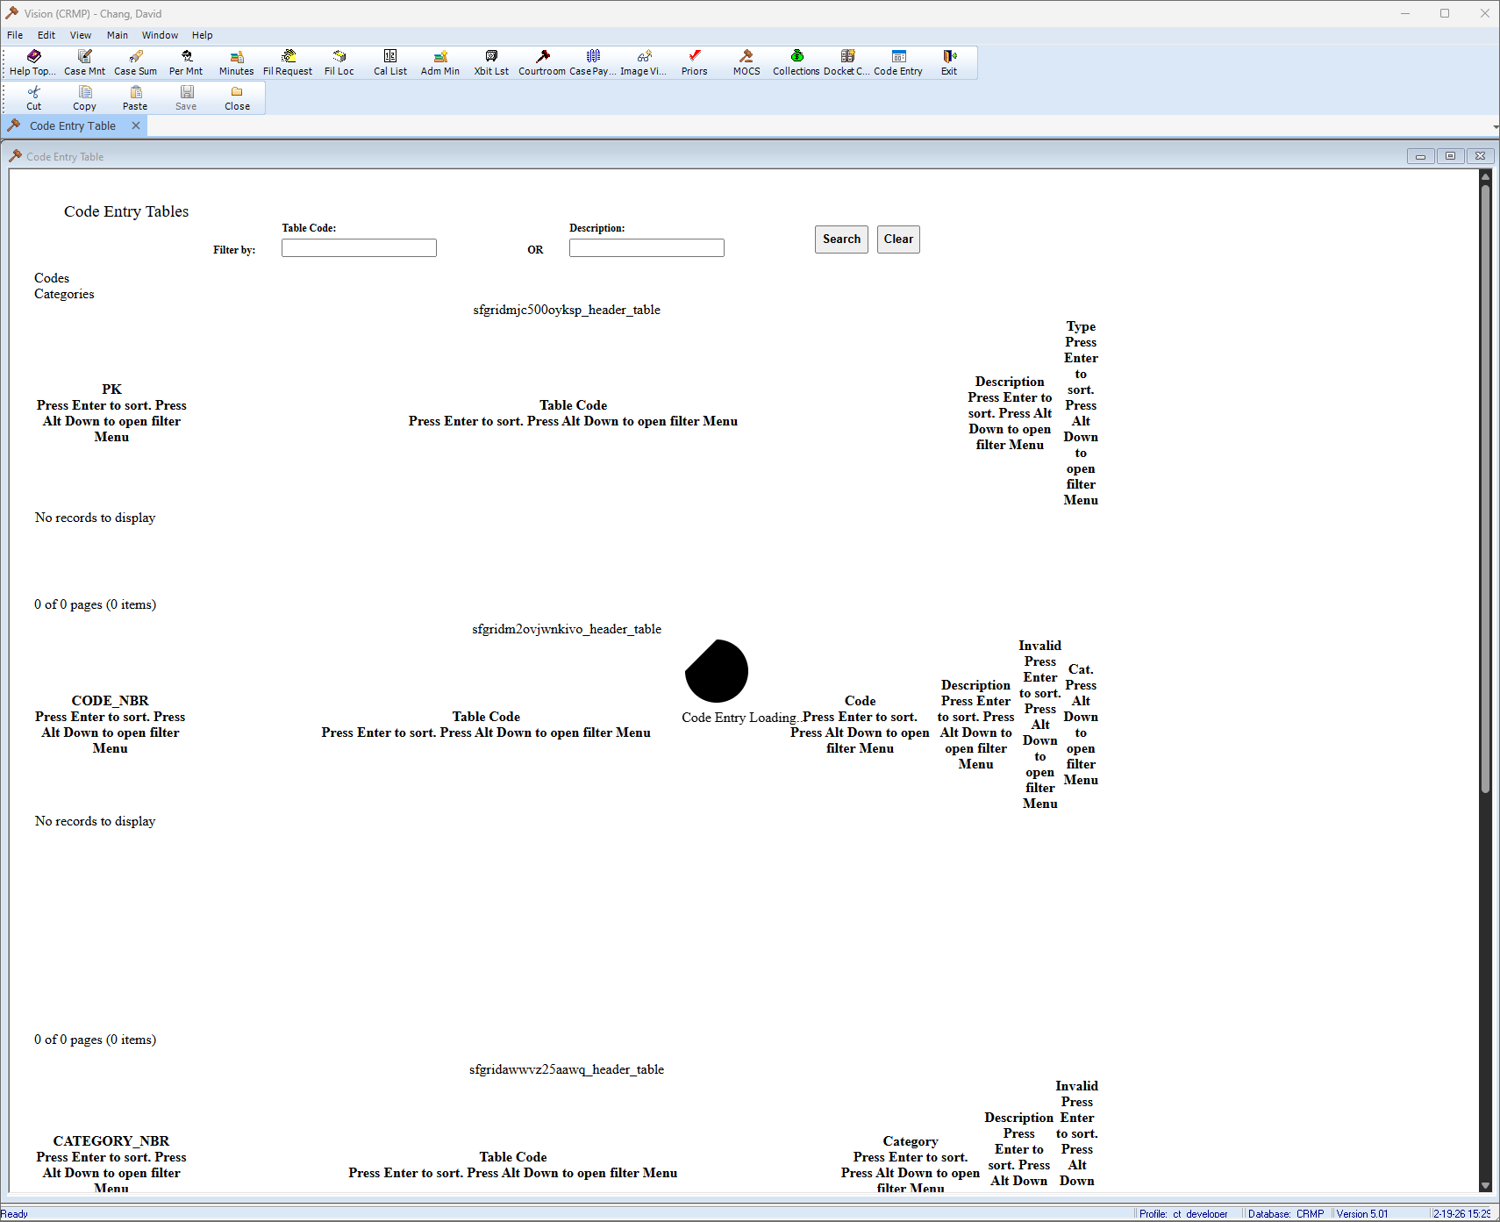 | Difficult to recreate consistently. Issue occurs on some, but not all first window opens.
100 | 2026-03-23 | Both | Functionality | Major | New | Codes Tab, Table Code and Codes sections | Duplicate codes appear | 1. Open a table, or select the table area 2. Shift + F6 to add a new row 3. Type the code only 4. Triple click another row - two new rows for the new code appear 5. Save - error message, endless loading | Issue also occurs for Event Codes.
101 | 2026-05-27 | Both | Functionality | Minor | No Action | Categories Tab, Code Description Column | Window freeze after receiving error message | 1. Open Categories Tab 2. Select a category with existing entries 3. Add a row to Code Description section 4. Select a code that already exists in the category 5. Exit edit mode - receive error message for duplicate entry which is expected 6. Select a valid code that does not exist in the category 7. Exit edit mode - unable to exit edit mode, and unable to make new changes in the Code Description section outside of cancelling the newly added row, or saving previously added pending changes. | Only impacts bottom section of categories tab. Since this type of dropdown/ child row is not common in Vision, this bug may not need to be addressed. Workaround is to cancel the row after receiving the error message.
102 | 2026-09-08 | Both | Functionality | Major | Resolved | Categories Tab | Category is not reflecting the User ID that created or added to the category list | The old window is displaying the correct User_ID | Developer modified the data structure that we used for code_category_assoc to include the user that updated the entries. | 2026-09-22 | Pass
103 | 2026-09-09 | PB Only | Functionality | Major | Resolved | Tab #1 - Codes | New code created is not showing up in Tab | The old window is displaying the new code. NG window did not show the new code until we created another new code and this clear the cache and the missing code will then appear. | Developer modified the data structure that we used for code_category_assoc to include the user that updated the entries. | 2026-09-22 | Pass
104 | 2026-09-10 | PB Only | Functionality | Major | Resolved | Categoreis Tab | Cannot add a row to newly created list | Vision NG window in DEV is left idle. Then when you go back to the window to resume work you cannot add a row in the lower section of a category that you are working on. You are able to do it in WEB | In this scenario I first created a category and started entering in the lower section to the list. I entered a duplicate and received the message as expected. The window freezes so I save to not loose my work. I received successfully saved popup. Later I go back to the window I cannot add a row to continue the list. | 2026-09-22 | Pass
105 | 2026-09-18 | Both | UI | Minor | Resolved | Tab #1 - Codes | Placement of the "Codes" needs to be adjusted | The NG window in Production for TAB #1 - Code is aligned to the left side. In QA is got moved. | See screen view of defect #105 | 2026-09-23 | Pass | When you create a category or modiffy an existing category NG no longer refresh the Category Tab when you save so you do not have to to and retrieve the category that you are still working on.

Screen View of Defect
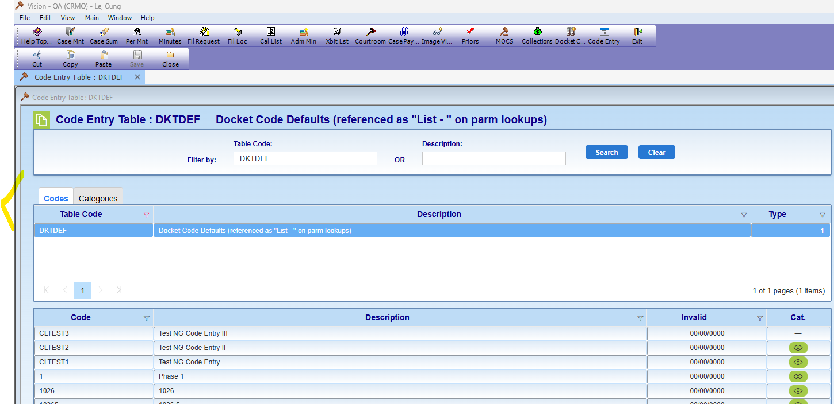
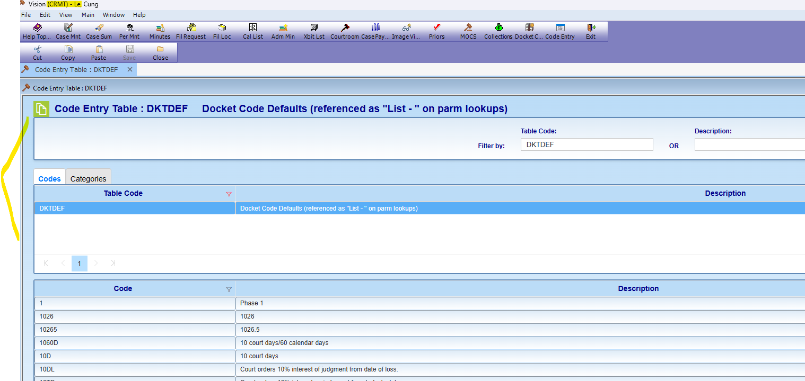
#104 | NG-QA | NG - CRMT

